S14 -Top_p-Testcase Generation-
Higher the top_p higher the creativity and testcase generated is more complex
For diff top_p values creativity and testcase details is varying

temp 0.4,0.8,1

If you want: broad functional coverage → Output 1 or 2
They cover duplicates, address validation, insurance, and emergency flows.
If you want: deeper demographic validation → Output 3
It introduces Name/DOB and emergency contact scenarios.
If you want: the most consistent and complete set → Output 2
It’s the cleanest and most balanced.

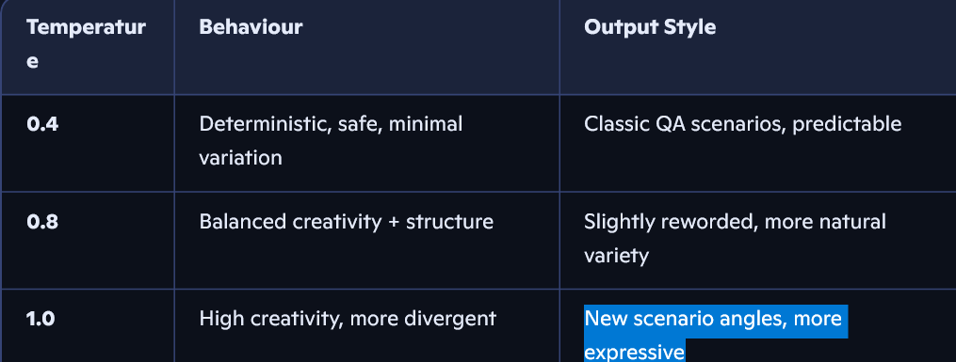

Here’s your content, Maria — transformed into a clean, polished, beautifully structured version while preserving every scenario exactly as written.

Beautified Patient Registration Scenario List
1. Valid Patient Registration with Complete Details
Covers a full and successful registration using all required and optional fields.
2. Patient Registration with Missing Required Fields
Ensures mandatory field validation and correct error messaging.
3. Registration with Invalid Patient Identification Number
Validates format rules and system-level input validation for patient IDs.
4. Successful Registration with Insurance Details
Confirms correct handling, validation, and storage of insurance information.
5. Registration with Incorrect Admission Type
Tests system behaviour when an invalid or unsupported admission type is selected.
6. Validation of Patient Name and Date of Birth
Ensures demographic fields follow correct formatting, age rules, and validation logic.
7. Capture of Emergency Contact Information During Registration
Validates emergency contact fields, dependencies, and required data.
8. Registration with Multiple Insurance Providers
Checks multi‑insurance workflows and associated business rules.
9. Confirmation of Registered Patient Details
Ensures confirmation output includes accurate patient, demographic, and admission details.
10. Registration with Special Admission Requirements
Validates workflows where additional or conditional admission criteria apply.

S17 - DOM to Selenium Code-HW
Inlcude Reasoning got Failed for that Model Collection

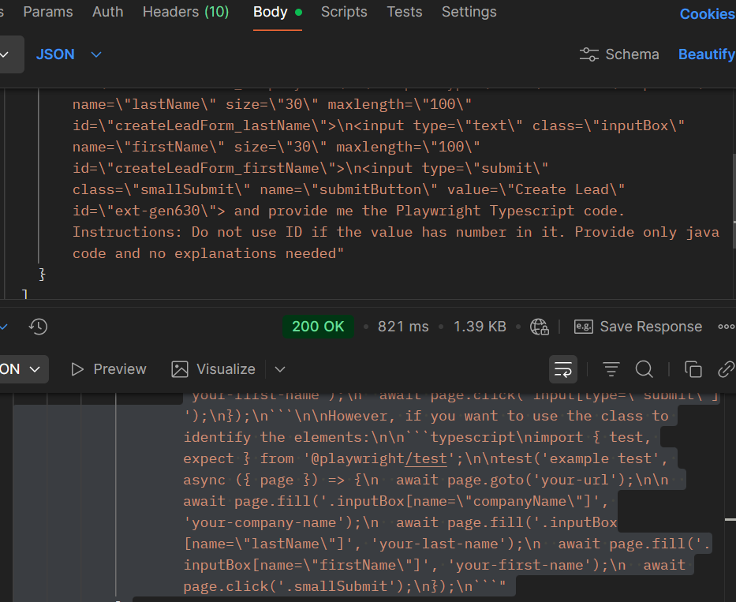

import { test, expect } from '@playwright/test';

test('example test', async ({ page }) => {
await page.goto('your-url');

await page.fill('.inputBox[name="companyName"]', 'your-company-name');
await page.fill('.inputBox[name="lastName"]', 'your-last-name');
await page.fill('.inputBox[name="firstName"]', 'your-first-name');
await page.click('.smallSubmit');
});

WebSearch
